Instructions
Virtual Design and Construction | Information Delivery Plan
Updated: August 2021
User Instructions
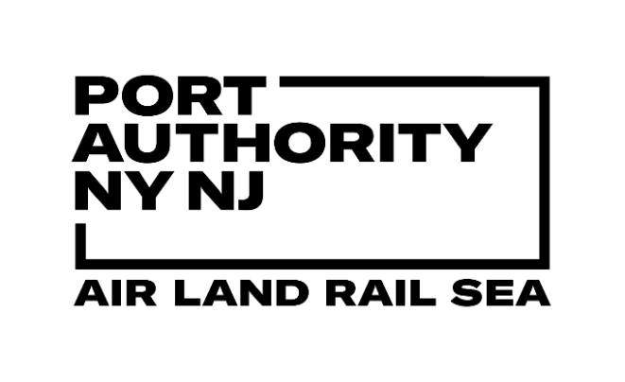

Model Exchange Table
Model Element Table
Common or Detailed Parameters
Pick Lists of Classifications

Each Model Comprises
Each Object Contains
Dictated By

The Consultant/Contractor shall list individual Building Information Models (BIMs) which, when combined, comprise the scope for the project.
Each BIM shall be named in accordance with the project file naming convention and shared in accordance with the requirements.
Each model shall be created in line with the Model Element Table to the defined Level of Development (LOD) by the end of each work stage.
Note that if a line item in the Model Element Table does not form part of the scope of design it should be disregarded.
All modeled objects shall contain the minimum "common parameters" as defined in the "Common Parameters" table.
Some modeled objects require additional detail as defined in the "Detailed Parameters" table.
For those parameters which have an allowed value of "Per pick list" a table of values is provided.
If, for any reason, an appropriate value is not defined the Consultant/Contractor shall contact the PANYNJ for clarification.

VDC Specification
Virtual Design and Construction (VDC) Specification
VDC Requirement
Information Delivery Plan
BIM Standard
CAD Standard
Guidelines, Content and Resources
Information Requirements
Technical Requirements
Information Management
Model Exchange Table
Detailed Parameters
Model Element Table
Picklists
Common Parameters
Content Management
Technical Requirements
BIM Execution Plan
Design Requirements
Naming Conventions
Construction Requirements
File Naming Convention
Requirements
Practices and Procedures
Compliance
Plot Set Up
Technical Particulars

GRS Pick
FACILITY | FACILITY DESCRIPTION | VERTICAL REFERENCE | VERTICAL REFERENCE DESCRIPTION | HORIZONTAL REFERENCE | HORIZONTAL REFERENCE DESCRIPTION | LOCATION NAME | LOCATION NAME DESCRIPTION
TBD | TBD | GN | General | GN | General | GN | General
TBD | TBD | FN | Foundation | GN | General | GN | General
TBD | TBD | L1 | Level 1 | GN | General | GN | General
TBD | TBD | L1 | Level 1 | TF | Transformer | T1 | Transformer 1
TBD | TBD | L1 | Level 1 | TF | Transformer | T2 | Transformer 2
TBD | TBD | L1 | Level 1 | TF | Transformer | T3 | Transformer 3
TBD | TBD | L1 | Level 1 | TF | Transformer | T4 | Transformer 4
TBD | TBD | L1 | Level 1 | CD | Corridor | CD | Corridor
TBD | TBD | L1 | Level 1 | HV | HV Switchgear Room | H1 | HV Switchgear Room 1
TBD | TBD | L1 | Level 1 | HV | HV Switchgear Room | H2 | HV Switchgear Room 2
TBD | TBD | L1 | Level 1 | MV | MV Switchgear Room | M1 | MV Switchgear Room 1
To be confirmed by LEA prior to publishing for contractor use
TBD | TBD | L1 | Level 1 | MV | MV Switchgear Room | M2 | MV Switchgear Room 2
TBD | TBD | L1 | Level 1 | BT | Battery Room | B1 | Battery Room 1
TBD | TBD | L1 | Level 1 | BT | Battery Room | B2 | Battery Room 2
TBD | TBD | L1 | Level 1 | WM | Water Meter | WM | Water Meter
TBD | TBD | L1 | Level 1 | OP | OPS Room | OP | OPS Room
TBD | TBD | L1 | Level 1 | PF | Power Factor Room | PF | Power Factor Room
TBD | TBD | L1 | Level 1 | TL | Toilet | TL | Toilet
TBD | TBD | L1 | Level 1 | JC | Janitor's Closet | JC | Janitor's Closet
TBD | TBD | L1 | Level 1 | ST | Stair | ST | Stair
TBD | TBD | RF | Roof | GN | General | GN | General
TBD | TBD | PP | Parapet | GN | General | GN | General
TBD | TBD | BH | Bulkhead | GN | General | GN | General
TBD | TBD | SR | Stair Enclosure Roof | GN | General | GN | General

